Sheet1
input data |  |  | output data |  |  | m direction stiffneres , flanges plan perpendicular stiffeners |  |  | shear bolts threaded bolts

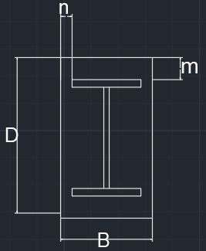
web length | 44 | cm | beam depth h | 48 | cm | min stifferer plan length , Lst,min | no stiffeners required | cm | Area bolt | 0.7853981634 | cm2
web thickness | 1.5 | cm | d (effective depth) | 45.6 | cm | stiffeners length , bst | 0 | cm | Rsh | 2.3365595361 | tons
flange length | 20 | cm | b (effective width) | 16 | cm | stiffeners thickness min , tst,min | 0 | cm | Rbear | 10.608 | tons
flange thickness | 2 | cm | m | 4.7 | cm | stiffener thickness , tst | 2 | cm | R max | 2.3365595361 | tons
D (plate length) | 55 | cm | n | 14.5 | cm | stiffener weld thickness | 2 | cm | R max , all bolts | 4.6731190722 | cm
B (plate Width) | 45 | cm | ………..plate calculations……….. |  |  | stiffener weld length | 0 | cm | bolt length | 20 | cm
N Normal force | 177 | ton | plate Area | 2475 | cm2 | Qy applied on stiffeners | 15.125454545 | ton | safety | safe | cm
Qx | 4 | tons
Qy | 1.8 | tons
Q shear force | 4.3863424399 | ton | plate section area , A1 | 90 | cm2 | Qy per stiffener | #DIV/0! | ton
concrete bearing capacity | 77 | kg/cm2 | plate inertia , Ix1 | 30 | cm4 | qy , shear stress on weld | #DIV/0! | ton / cm2
tp , plate thickness | 2 | cm | max allowable free length without stiffener | 6.9516489935 | cm | f , normal stress due to bending on weld | -1.1848272727 | ton / cm2 | plate welding
steel yield stress | 3.6 | ton/cm2 | ……………..moment calculations ………………… |  |  | feq , equivalent stress | #DIV/0! | ton / cm2
steel ultimate stress | 5.2 | ton/cm2 | Moment /cm , n direction | 7.518030303 | ton.cm/cm | stiffeners weld safety | #DIV/0! |  | Fu,weld | 1.04 | t/cm2
bolt diameter | 10 | mm | Moment /cm , m direction | 0.78988484848 | ton.cm/cm | stiffeners area , A2 | 0 | cm2 | flange weld length | 73 | cm
bolts count | 2 | count | moment , n direction | 413.49166667 | ton.cm | stiffeners inertia , Ix2 | 0 | cm4 | web weld length | 84 | cm
flange weld thickness | 2 | cm | moment , m direction | 35.544818182 | ton.cm |  |  |  | FN | 0.9855233853 | t/cm2
web weld thickness | 0.4 | cm | …………..stresses calculations…………….. |  |  |  |  |  | FQ | 0.024422842093 | t/cm3
stiffeners count , m direction | 0 | stiffenere | Applied concrete stress | 0.071515151515 | ton/cm2 | web plan perpendicular stiffeners , welded on flages |  |  | Feq | 0.98643082303 | t/cm4
stiffener thickness , m direction | 2 | cm | Concrete Bearing safty | safe |  |  |  |  | safety | safe
stiffener length , m direction | 20 | cm | steal allowable stress 0.72Fy | 2.592 | ton/cm2 | min stifferer plan length , Lst,min | 5.5483510065 | cm
stiffeners count , n direction | 2 | stiffenere | center of gravity , m direction | 1 | cm | stiffeners length , bst | 20 | cm
stiffener thickness , n direction | 2 | cm | total inertia , Ix , m direction | 30 | cm4 | stiffeners thickness min , tst,min | 1.25 | cm
stiffener length , n direction | 20 | cm | Applied steel stress , m direction | 1.1848272727 | ton/Cm1 | stiffener thickness , tst | 2 | cm
 |  |  | center of gravity , n direction | 6.7894736842 | cm | stiffener weld thickness | 2 | cm
 |  |  | total inertia , Ix , n direction | 7428.245614 | cm4 | stiffener weld length | 40 | cm
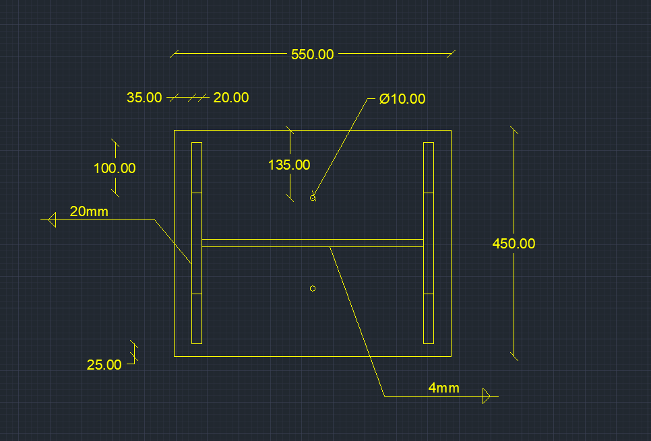
 |  |  | Applied steel stress , n direction | 0.055664781181 | ton/Cm2 | Qy applied on stiffeners | 57.033333333 | ton
 |  |  | safety | safe |  | Qy per stiffener | 28.516666667 | ton
 |  |  |  |  |  | qy , shear stress on weld | 0.35645833333 | ton / cm2
 |  |  |  |  |  | f , normal stress due to bending on weld | 0.73536105666 | ton / cm2
 |  |  |  |  |  | feq , equivalent stress | 0.9601788968 | ton / cm2
 |  |  |  |  |  | stiffeners weld safety | safe
 |  |  |  |  |  | stiffeners area , A2 | 50 | cm2
 |  |  |  |  |  | stiffeners inertia , Ix2 | 833.33333333 | cm4

